DASHBOARDD
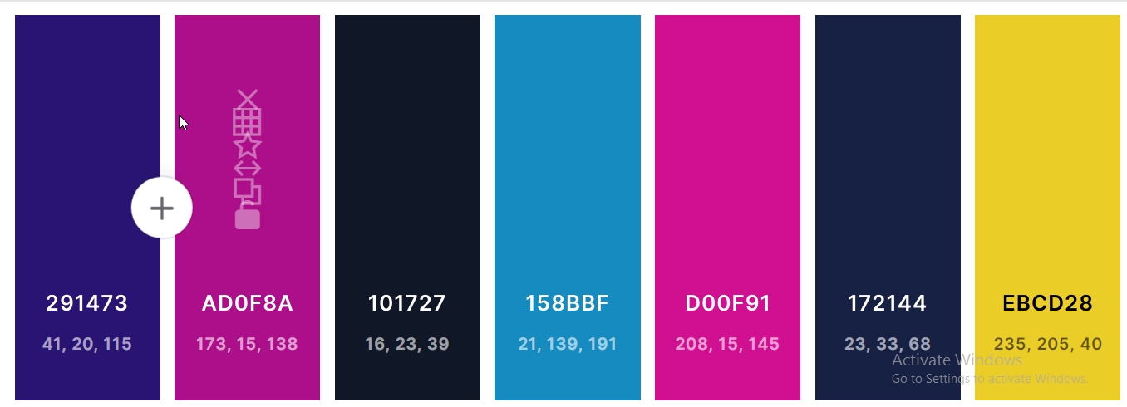
b
CLEAR
SELECT MONTH

